Steps_Github
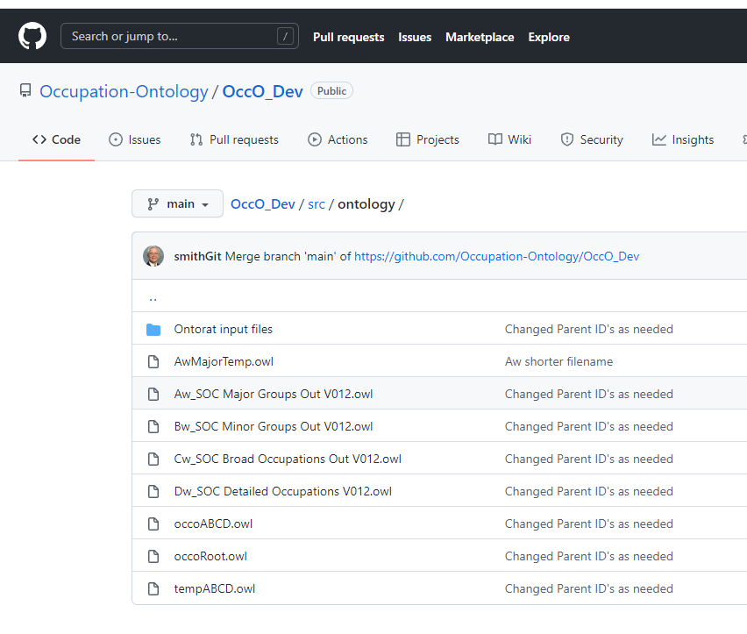
I cannot figure out how Github is working; I do a commit from Github desktop - with the list of local files that have changed,
but the repository on github.com does not show the added files.

NO: ALL CLEARED UP - the changes had been committed but NOT PUSHED. When pushed (after doing a pull to get remote changes) all looks in order.

